English - Description
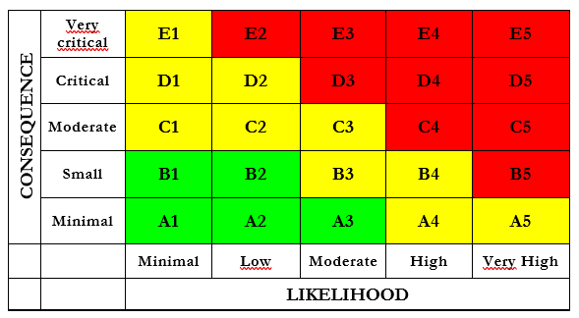
RISK SURVEY AND ASSESSMENT |  |  | Version April 2024
DEPARTMENT OF ELECTRIC ENERGY - NTNU
 | Head of department | Anngjerd Pleym |  | Assessment of likelihood | Assessment of consequence
 | Lab leader | Halsten Aastebøl |  | 1: Minimal Once every 50 years or less | A: Minimal Injury that may rquire simple first aid, but no medical treatment
 | Safety representative | Aksel Andreas Reitan Hanssen |  | 2: Low Once every 10 years or less | B: Small Injury that requires medical treatment. No absence from work other than for treatment. No injury of permanent caracter.
 |  |  |  | 3: Medium Once every year or less | C: Moderate Injury that involves absence from work, or may produce acute sickness.
 | Activity: |  |  | 4: High Once a month | D: Critical May result in permanent injury or produce serious health damage/sickness
 | Location: |  |  | 5: Very high Once a week | E: Very critical Injury that may produce fatality/ies
 | Participants
 | Responsible
 | Date:
 | Description of the activity | Include circuit diagram and picture of the setup

